Linear fan table
Platform(s) |  |  | South Peak 14 TGL-U 17.5W |  |  |  |  | Dell, Inc. Notebook Thermal Control Table Dell Confidential
Project Code |  |  | GDF40
Table Version |  |  | Rev4.0
 |  |  | DVT2.0
Date |  |  | 2020-10-15
Submitted by Thermal Engineer |  |  | Felix Ling

Dynamic Turbo Setting for TGL
TGL |  | PL1 | PL2
Power |  | 40W | 60W
Tau, max |  | 28 sec | 28sec

Fan Startup PWM (OFF->LOW): |  |  | 35% | Duty |  |  | GPU Shutdown:

 |  |  |  |  |  |  | OTP Trip Point: |  | 96
Fan Minimum Operating PWM: |  |  | 30% | Duty |  |  | OTP Hysteresis: |  | 10

Fan Maximum Operating PWM: |  |  | 100 | Duty |  |  | Diags Maximum Passing Zone |  | 4

 | cTDP Level=2 |  |  |  |  |  | TCC offset |  | 2

SENSOR DESCRIPTION

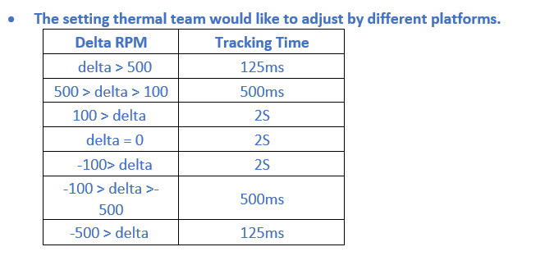
 | Sensor Description &Type | Address (EC) | Pollling Rate | MaxErrors count | Average | Critial Temerature (Shutdown) | Common Throttle Temerature | Name on PCBA

 | CPU(QE5) | PECI | 1 SEC | 10 | Yes (*1) | 105 | 100 | QE5
 | SKIN(QE9) |  | 1 SEC | 10 | No | 98 | 68 | QE9
 | NGFF(QE10) |  | 1 SEC | 10 | No | 115 | 49 | QE10
 | MEM(QE11) |  | 1 SEC | 10 | No | 98 | 45 | QE11

Note 1: EC default average time is 15 sec
Note 2: Battery throttle is following BMU specification

FAN DESCRIPTON

 |  |  |  |  |  |  |  | 125ms |  | 250ms |  | 500ms |  | 1S
 | Fan Description | Address | KSStart | KSWait | KSPass | KSFail | KSBump | Esec Up | Esec Down | Qsec Down | Qsec Down | Hsec Up | Hsec Down | Sec Up | Sec Down

 | FAN1 | MecGuardian | 30 | 3 | 1000 | 200 | 5 | 200 | 400 | 150 | 300 | 100 | 200 | 50 | 100

SENSOR NODES ( Fan table )

Table ID | "Balance" MODE [Defalut Mode] |  | Common Table ID | FAN1
"Balance" MODE
1 | 15 | Sensor | No | Low Temp | Low Rpm | High Temp | High Rpm |  |  |  |  | 42 | 46
 |  | CPU | Slop1 | 90 | 0 | 95 | 3800 |  |  |  |  | 0 | 2700
 |  | SKIN(QE9) | Slop1 | 49 | 0 | 55 | 2700 |  |  |  |  | 45 | 55
 |  | MEM(QE10) | Slop1 | 45 | 0 | 50 | 3800 |  |  |  |  | 0 | 3200
 |  | NGFF(QE11) | Slop1 | 42 | 0 | 46 | 2700 |  |  |  |  | 48 | 50
 |  | NGFF(QE11) | Slop2 | 45 | 0 | 49 | 3200 |  |  |  |  | 0 | 3800
 |  | NGFF(QE11) | Slop3 | 48 | 0 | 50 | 3800

Table ID | "Cool" MODE |  | Common Table ID | FAN1

2 | 15 | Sensor | No | Low Temp | Low Rpm | High Temp | High Rpm
 |  | CPU | Slop1 | 82 | 0 | 95 | 4400
 |  | SKIN(QE9) | Slop1 | 40 | 0 | 50 | 4400
 |  | MEM(QE10) | Slop1 | 40 | 0 | 50 | 4400
 |  | NGFF(QE11) | Slop1 | 40 | 0 | 50 | 4400

Table ID | "Quiet" MODE |  | Common Table ID | FAN1

3 | 15 | Sensor | No | Low Temp | Low Rpm | High Temp | High Rpm
 |  | CPU | Slop1 | 82 | 0 | 95 | 3200
 |  | SKIN(QE9) | Slop1 | 45 | 0 | 55 | 3200
 |  | MEM(QE10) | Slop1 | 45 | 0 | 55 | 3200
 |  | NGFF(QE11) | Slop1 | 45 | 0 | 55 | 3200

Table ID | "Performance" MODE |  | Common Table ID | FAN1

4 | 15 | Sensor | No | Low Temp | Low Rpm | High Temp | High Rpm
 |  | CPU | Slop1 | 68 | 0 | 95 | 4700
 |  | SKIN(QE9) | Slop1 | 50 | 0 | 55 | 4700
 |  | MEM(QE10) | Slop1 | 45 | 0 | 50 | 4700
 |  | NGFF(QE11) | Slop1 | 40 | 0 | 48 | 3200
 |  | NGFF(QE11) | Slop1 | 48 | 0 | 52 | 4700

Sensor Loaction
TGL
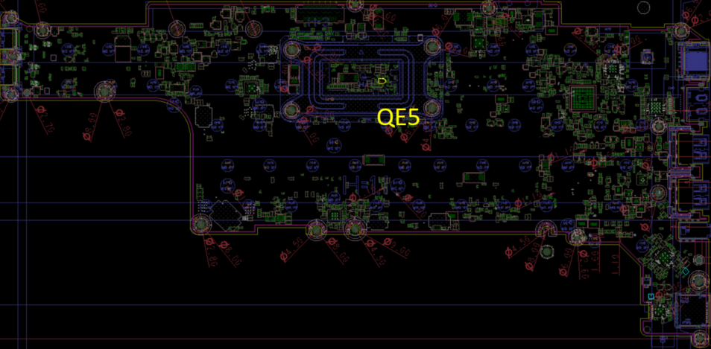

TOP

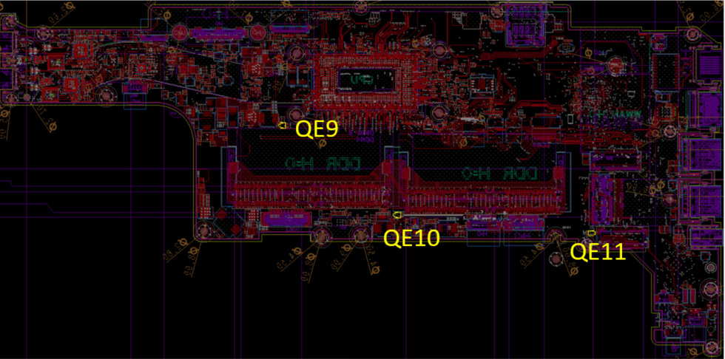

BOT

CML
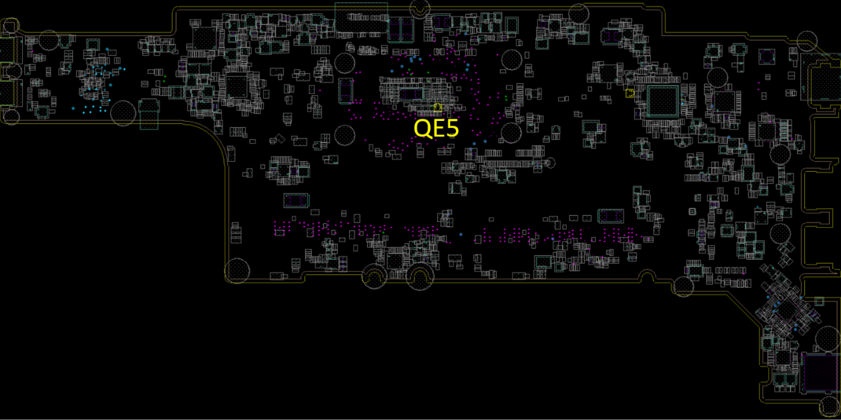

TOP

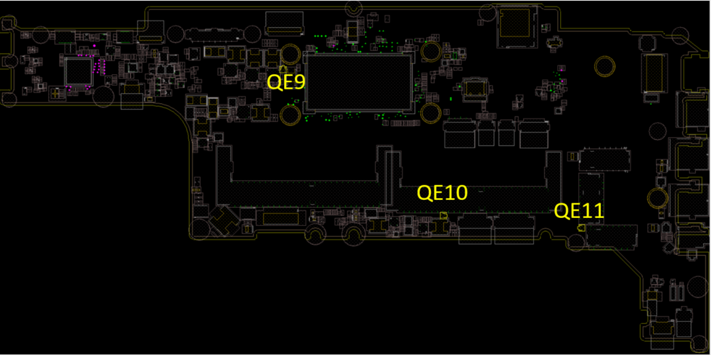

BOT

